Sheet2
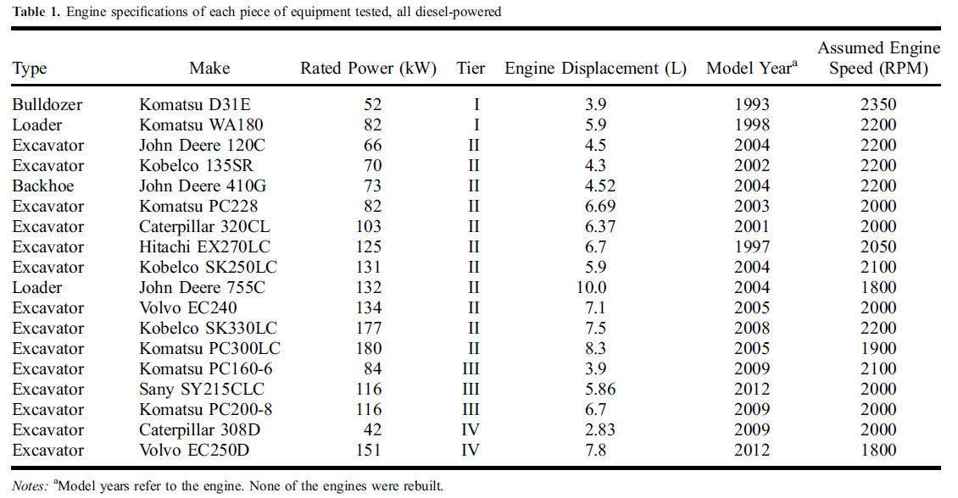

Type | Construction | Model Year | Assumed Engine Speed(RPM)
Bulldozer | Komatsu D31E | 1993 | 2350
Loader | Komatsu WA180 | 1998 | 2200
Excavator | John Deere 120C | 2004 | 2200
Excavator | Kobelco 135SR | 2002 | 2200
Backhoe | John Deere 410G | 2004 | 2200
Excavator | Komatsu PC228 | 2003 | 2000
Excavator | Caterpiller 320CL | 2001 | 2000
Excavator | Hitachi EX279LC | 1997 | 2050
Excavator | Kobelco SK250LC | 2004 | 2100
Loader | John Deere 755C | 2004 | 1800
Excavator | Volvo EC240 | 2005 | 2000
Excavator | Kobelco SK330LC | 2008 | 2200
Excavator | Komatsu PC300LC | 2005 | 1900
Excavator | Komatsu PC160-6 | 2009 | 2100
Excavator | Sany SY215CLC | 2012 | 2000
Excavator | Skomatsu PC200-8 | 2009 | 2000
Excavator | Caterpiller 308D | 2009 | 2000
Excavator | Volvo EC250D | 2012 | 1800

